How to fill in spreadsheet
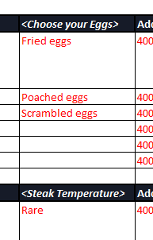
Instructions for completing this Onboarding Spreadsheet
1. To begin, you will need to use your POS system to obtain the data needed for this document.
2. All items you import into this ClevaQ template need to exist (or be created) within your POS system.
3. If the item doesn't have a SKU/PLU code, then we will not import the data as this will cause issues between the ClevaQ app and your systems.
4. Each tab contains examples written in RED text to assist in how to fill out each column - please ensure you delete this when you start or finish inputting your venue data or the example item/s will be imported onto your live menu.
5. Within the 'Menu - Food - Modifiers' as seen in the example below, rename each <modifier> title as you see fit.
6. In the Menu - Drinks tab, if you have various sizes for the same drink, keep the drink name the same and insert the size in the column allocated (there is an example shown in the tab)
7. When filling in the 'Drinks Modifiers' tab please ensure it is filled in according to the title in each column (Remove the examples and start inputting your information)
8. A Happy Hour tab has been added if your venue has one. E.g. Happy Hours drinks, Dinner Specials, Lunch Specials etc.
9. If you would like images for menu items or categories, you will need to save photos/images in your allocated OneDrive folder and specify the image to the best if your ability.
10. Feel free to adjust the spreadsheet to how you see fit, if you make any changes to the columns or tabs in this document, please ensure you notify the ClevaQ team

